Use_Case
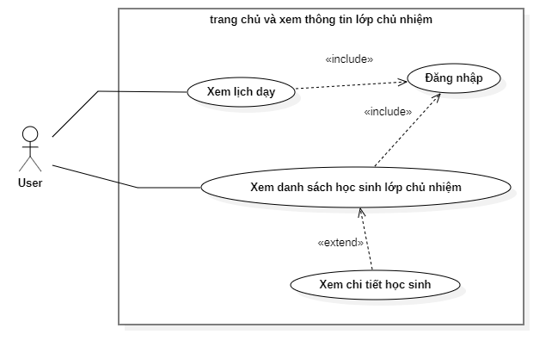

ClassDiagram
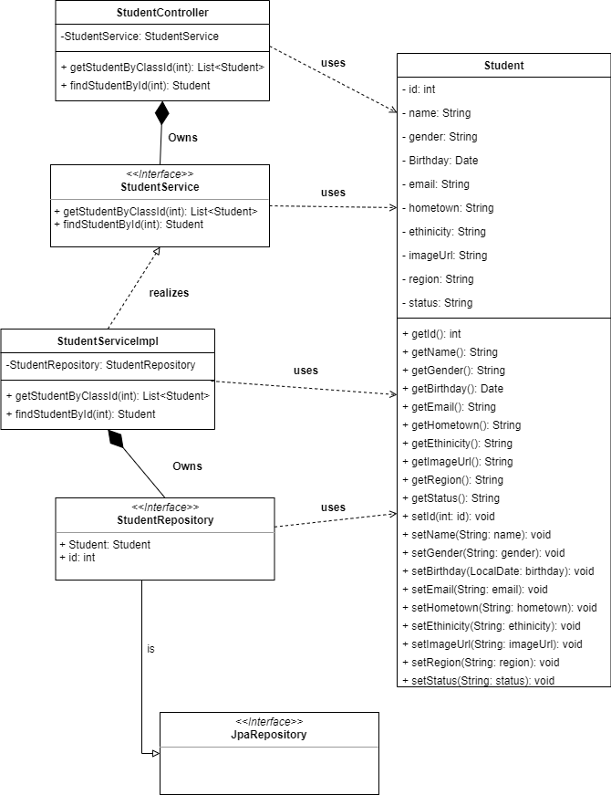
6.2.1 Trang chủ giáo viên

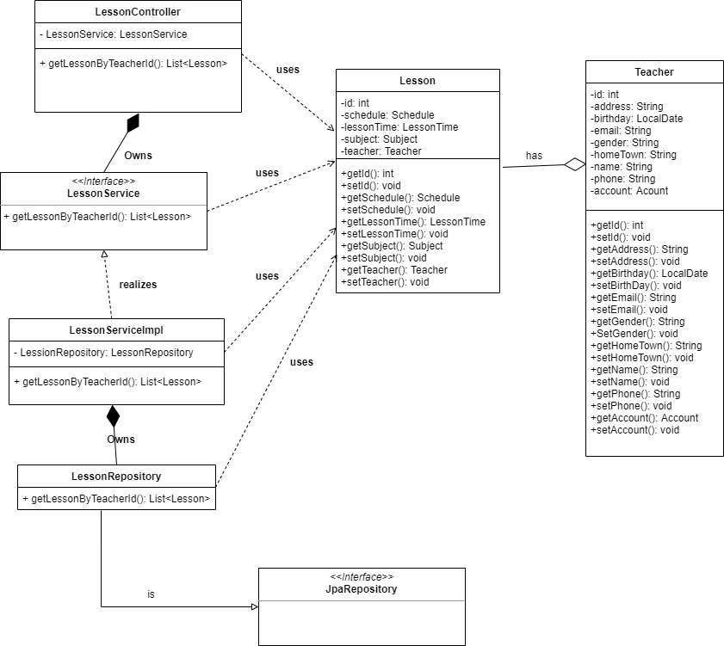

6.2.2 Xem thông tin lớp chủ nhiệm

SequenceDiagram
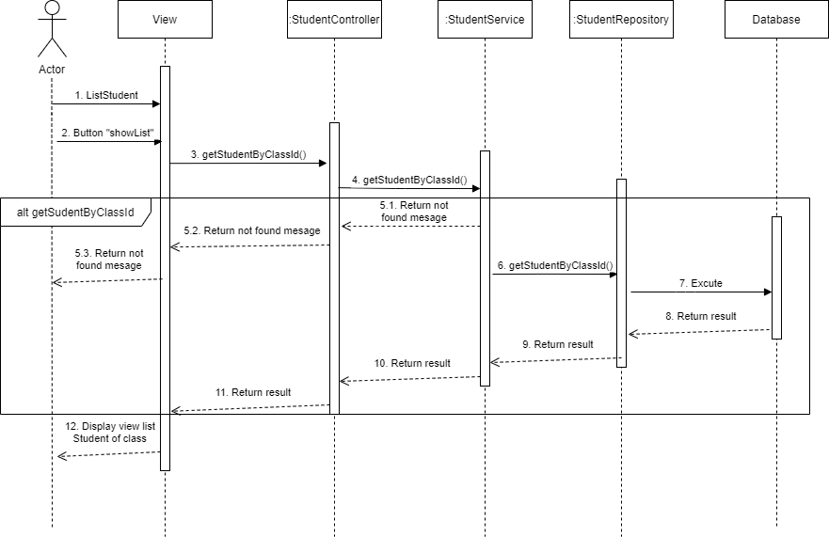
6.2.1 Trang chủ giáo viên

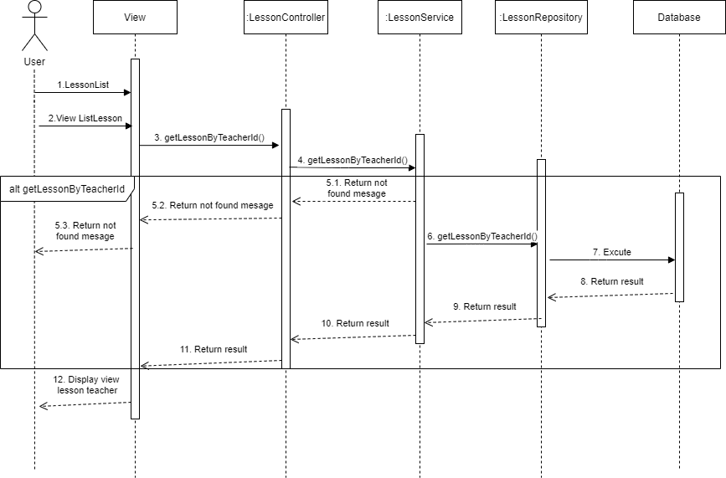

6.2.2 Xem thông tin lớp chủ nhiệm

